Test Scenario
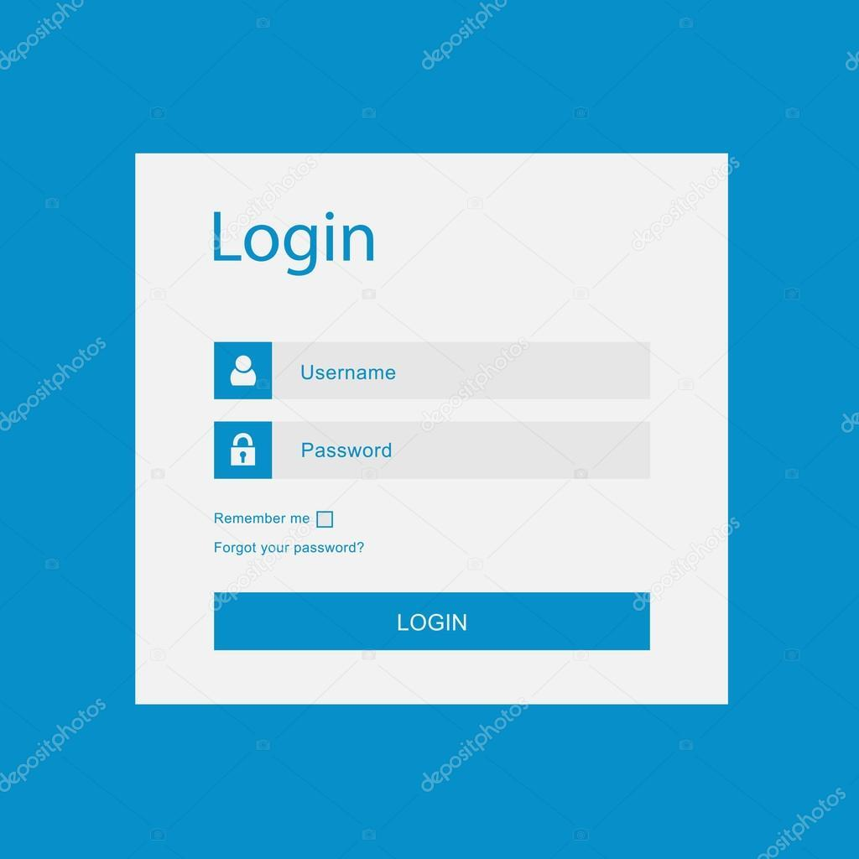
Precondition: User is registered

ID | Test case name | Input | Action | Expected result

1 | Verify that user is able to login successfully. | Correct username "username" | Input correct username in "Username" field | Username is enterd and visible
 |  | Correct password "password1" | Input correct password in "Password" field | Password is enterd, visible and covered in dots
 |  |  | Click on "Login" button | User is logged in and redirected to homepage

2 | Verify the "Forgot your password?" button takes user to forgotten password page |  | Click on "Forgot your password?" button | Forgotten password page is opened, and user can ask for a new password

3 | Verify that user cannot log in with invalid username | Invalid username "name" | Input invalid username in "Username" field | Username is enterd and visible
 |  | Valid password "password1" | Input valid password in "Password" field | Password is enterd, visible and covered in dots
 |  |  | Click on "Login" button | User did not log in and notification appears that username or password is invalid

4 | Verify that user cannot log in with invalid password | Valid username "username" | Input valid username in "Username" field | Username is enterd and visible
 |  | Invalid password "password123" | Input invalid password in "Password" field | Password is enterd, visible and covered in dots
 |  |  | Click on "Login" button | User did not log in and notification appears that username or password is invalid

5 | Verify that user connot log in with empty username and empty password fields |  | Username is not entered | "Username" field is empty
 |  |  | Password is not entered | "Password" field is empty
 |  |  | Click on "Login" button | Proper error message is displayed, user is not logged in and prompt to enter valid credentials

 | Photo of Login page

